P101
James Fisher Nuclear Limited
Unit 14, Bridge End Industrial Estate, Egremont, Cumbria, CA22 2RD |  |  |  |  | EXXXXX |  |  | Sheet 1 of 1
Pump and Line Calculation Sheet |  |  |  |  | REV | DATE | BY | APVD | DATE | BY | APVD
 |  |  |  |  | A | 2019-09-27 | B MULLINER

Document Number:

Mechanical Piped Services
Equipment Label | P101 |  |  |  | Equipment Name |  |  | Solar Heater Pump
Section | Plant Room
Process Service | Solar Water Heater
Fluid | Water |  |  |  | Density |  |  | 985.7 | kg/m3
Operating Temperature | Normal | 55 | °C |  | Viscosity |  |  | 0.0005039 | Pas
 | Min | 1 | °C |  | Normal Max Flowrate |  |  | 8.84 | l/s
 | Max | 90 | °C |  | Design Max Flowrate |  |  | 9.29 | l/s
LINE PRESSURE DROP
SUCTION |  |  |  |  | DISCHARGE
Line Size |  |  | 3 | in | Line Size |  |  |  |  | 3 | in
 |  |  |  | Units |  |  |  |  |  |  | Units
Velocity |  | 1.9391033102 |  | m/s | Velocity |  |  |  | 1.9391033102 |  | m/s
Friction Loss |  | 0.63890921173 |  | kPa/m | Friction Loss |  |  |  | 0.63890921173 |  | kPa/m
Line Length |  | 1 |  | m | Line Length |  |  |  | 100 |  | m
Line & Misc. Losses |  | 3.0011092117 |  | kPa | Line & Misc. Losses |  |  |  | 83.058197524 |  | kPa

Static Head |  | 8 |  | m | Static Head |  |  |  | 8 |  | m
 |  | 77.357736 |  | kPa |  |  |  |  | 77.357736 |  | kPa
Upstream Equipment Pressure |  | 600 |  | kPa | Equipment Pressure |  |  |  | 600 |  | kPa
Sub-Total |  | 677.357736 |  | kPa | Sub-Total |  |  |  | 677.357736 |  | kPa

Suction Pressure |  | 674.35662679 |  | kPa | Discharge Pressure |  |  |  | 760.41593352 |  | kPa
Vapor Pressure |  | 15.761 |  | kPa | Suction Pressure |  |  |  | 674.35662679 |  | kPa
NPSHA |  | 658.59562679 |  | kPa | Differential Pressure |  |  |  | 86.059306736 |  | kPa
 |  | 68.109090141 |  | m | Pump Head |  |  |  | 8.8998785317 |  | m
PUMP DATA
Manufacturer |  | Grundfos |  |  | Driver Type |  |  |  | Three-Phase Electrical
Catalogue No. |  | MAGNA1 100-120 F |  |  | Power Supply |  |  |  | 230 |  | V
Max Pump Flow Rate |  | 29.00 |  | l/s | Seal Type |  |  |  | Gaskets
Differential Pressure |  | 86.059306736 |  | kPa | Hydraulic Power |  |  |  | 5.5711047105 |  | kW
 |  | 8.8998785317 |  | m | Rated Power |  |  |  |  |  | kW
NPSHR |  |  |  | m | Efficiency |  |  |  |  |  | %
Pump Type |  | Circulator Pump |  |  | Casing Design Pressure |  |  |  | 10 |  | bar
No. of Stages |  | Single |  |  | Casing Design Temperature |  |  |  | 110 |  | °C
Impeller Type |  | Closed |  |  | Casing Material |  |  |  | Cast Iron
Mounting |  | Either
SKETCH
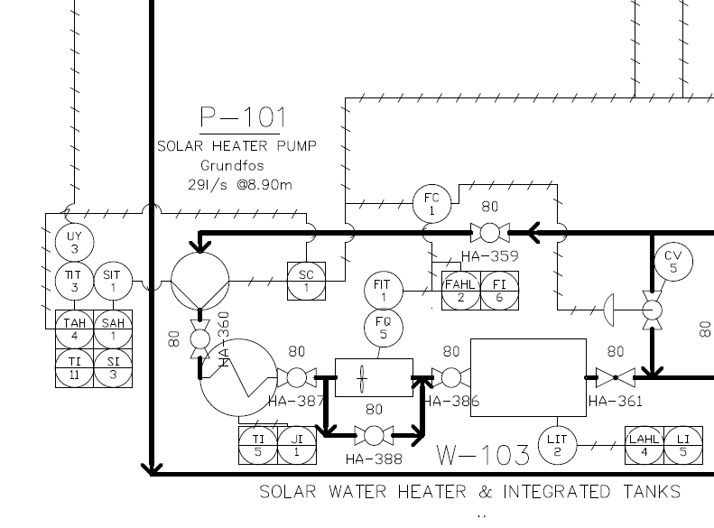

NOTES
1.
2.
3.
4.
5.

P102
James Fisher Nuclear Limited
Unit 14, Bridge End Industrial Estate, Egremont, Cumbria, CA22 2RD |  |  |  |  | EXXXXX |  |  | Sheet 1 of 1
Pump and Line Calculation Sheet |  |  |  |  | REV | DATE | BY | APVD | DATE | BY | APVD
 |  |  |  |  | A | 2019-09-27 | B MULLINER

Document Number:

Mechanical Piped Services
Equipment Label | P102 |  |  |  | Equipment Name |  |  | Central Heating Circulation Pump
Section | Plant Room
Process Service | Central Heating
Fluid | Water |  |  |  | Density |  |  | 980.53 | kg/m3
Operating Temperature | Normal | 65 | °C |  | Viscosity |  |  | 0.000432 | Pas
 | Min | 6 | °C |  | Normal Max Flowrate |  |  | 0.36 | l/s
 | Max | 80 | °C |  | Design Max Flowrate |  |  | 0.38 | l/s
LINE PRESSURE DROP
SUCTION |  |  |  |  | DISCHARGE
Line Size |  |  | 1 | in | Line Size |  |  |  |  | 1 | in
 |  |  |  | Units |  |  |  |  |  |  | Units
Velocity |  | 0.45610361134 |  | m/s | Velocity |  |  |  | 0.45610361134 |  | m/s
Friction Loss |  | 0.1421272792 |  | kPa/m | Friction Loss |  |  |  | 0.1421272792 |  | kPa/m
Line Length |  | 1 |  | m | Line Length |  |  |  | 100 |  | m
Line & Misc. Losses |  | 2.5043272792 |  | kPa | Line & Misc. Losses |  |  |  | 42.63818376 |  | kPa

Static Head |  | 4 |  | m | Static Head |  |  |  | 8 |  | m
 |  | 38.4759972 |  | kPa |  |  |  |  | 76.9519944 |  | kPa
Upstream Equipment Pressure |  | 600 |  | kPa | Equipment Pressure |  |  |  | 600 |  | kPa
Sub-Total |  | 638.4759972 |  | kPa | Sub-Total |  |  |  | 676.9519944 |  | kPa

Suction Pressure |  | 635.97166992 |  | kPa | Discharge Pressure |  |  |  | 719.59017816 |  | kPa
Vapor Pressure |  | 25.042 |  | kPa | Suction Pressure |  |  |  | 635.97166992 |  | kPa
NPSHA |  | 610.92966992 |  | kPa | Differential Pressure |  |  |  | 83.618508239 |  | kPa
 |  | 63.512809479 |  | m | Pump Head |  |  |  | 8.6930569003 |  | m
PUMP DATA
Manufacturer |  | Grundfos |  |  | Driver Type |  |  |  | Three-Phase Electrical
Catalogue No. |  | MAGNA1 25-120 (N) |  |  | Power Supply |  |  |  | 230 |  | V
Max Pump Flow Rate |  | 2.60 |  | l/s | Seal Type |  |  |  | Gaskets
Differential Pressure |  | 83.618508239 |  | kPa | Hydraulic Power |  |  |  | 0.2268 |  | kW
 |  | 8.6930569003 |  | m | Rated Power |  |  |  |  |  | kW
NPSHR |  |  |  | m | Efficiency |  |  |  |  |  | %
Pump Type |  | Circulator Pump |  |  | Casing Design Pressure |  |  |  | 10 |  | bar
No. of Stages |  | Single |  |  | Casing Design Temperature |  |  |  | 110 |  | °C
Impeller Type |  | Closed |  |  | Casing Material |  |  |  | Cast Iron
Mounting |  | Either
SKETCH
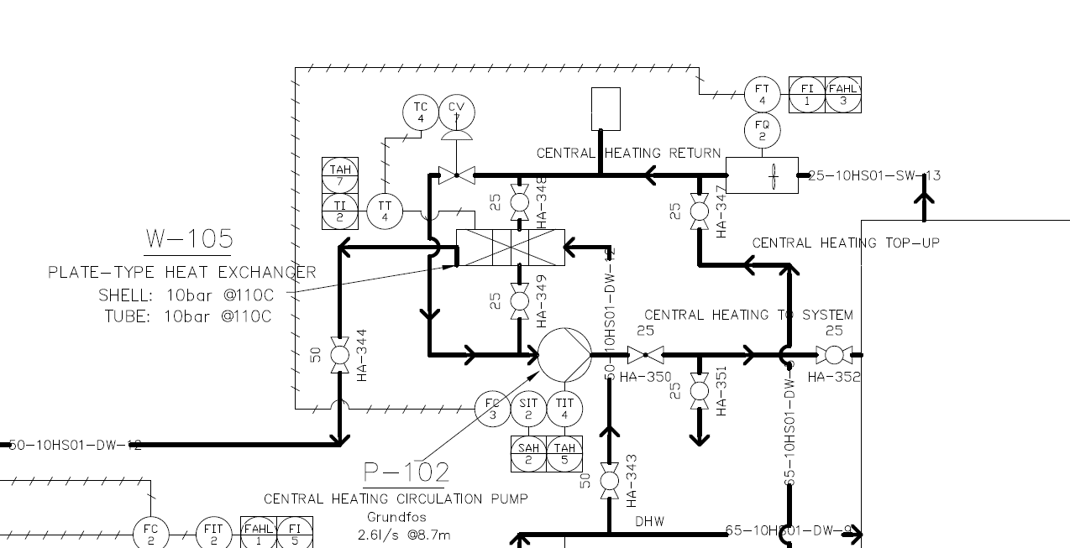

NOTES
1.
2.
3.
4.
5.

P103
James Fisher Nuclear Limited
Unit 14, Bridge End Industrial Estate, Egremont, Cumbria, CA22 2RD |  |  |  |  | EXXXXX |  |  | Sheet 1 of 1
Pump and Line Calculation Sheet |  |  |  |  | REV | DATE | BY | APVD | DATE | BY | APVD
 |  |  |  |  | A | 2019-09-26 | B MULLINER

Document Number:

Mechanical Piped Services
Equipment Label | P103 |  |  |  | Equipment Name |  |  | Grey Water Pump
Section | Plant Room
Process Service | Cat 5 Cold Water
Fluid | Water |  |  |  | Density |  |  | 999.377 | kg/m3
Operating Temperature | Normal | 13 | °C |  | Viscosity |  |  | 0.0012009 | Pas
 | Min | 6 | °C |  | Normal Max Flowrate |  |  | 1.50 | l/s
 | Max | 20 | °C |  | Design Max Flowrate |  |  | 1.58 | l/s
LINE PRESSURE DROP
SUCTION |  |  |  |  | DISCHARGE
Line Size |  |  | 2 | in | Line Size |  |  |  |  | 2 | in
 |  |  |  | Units |  |  |  |  |  |  | Units
Velocity |  | 0.74007196552 |  | m/s | Velocity |  |  |  | 0.74007196552 |  | m/s
Friction Loss |  | 0.1844340878 |  | kPa/m | Friction Loss |  |  |  | 0.1844340878 |  | kPa/m
Line Length |  | 1 |  | m | Line Length |  |  |  | 20 |  | m
Line & Misc. Losses |  | 0.8702340878 |  | kPa | Line & Misc. Losses |  |  |  | 11.066045268 |  | kPa

Static Head |  | 0 |  | m | Static Head |  |  |  | 4 |  | m
 |  | 0 |  | kPa |  |  |  |  | 39.21555348 |  | kPa
Upstream Equipment Pressure |  | 600 |  | kPa | Equipment Pressure |  |  |  | 600 |  | kPa
Sub-Total |  | 600 |  | kPa | Sub-Total |  |  |  | 639.21555348 |  | kPa

Suction Pressure |  | 599.12976591 |  | kPa | Discharge Pressure |  |  |  | 650.28159875 |  | kPa
Vapor Pressure |  | 1.497 |  | kPa | Suction Pressure |  |  |  | 599.12976591 |  | kPa
NPSHA |  | 597.63276591 |  | kPa | Differential Pressure |  |  |  | 51.151832836 |  | kPa
 |  | 60.958748545 |  | m | Pump Head |  |  |  | 5.2175046171 |  | m
PUMP DATA
Manufacturer |  | Dutypoint |  |  | Driver Type |  |  |  | Three-Phase Electrical
Catalogue No. |  | VR2-0511-LHM |  |  | Power Supply |  |  |  | 230 |  | V
Max Pump Flow Rate |  | 2.50 |  | l/s | Seal Type |  |  |  | Gaskets
Differential Pressure |  | 51.151832836 |  | kPa | Hydraulic Power |  |  |  | 0.945 |  | kW
 |  | 5.2175046171 |  | m | Rated Power |  |  |  | 1.5 |  | kW
NPSHR |  | 1.75 |  | m | Efficiency |  |  |  | 70 |  | %
Pump Type |  | Cold Water Booster Set |  |  | Casing Design Pressure |  |  |  | 10 |  | bar
No. of Stages |  | Twin |  |  | Casing Design Temperature |  |  |  | 40 |  | °C
Impeller Type |  | Closed |  |  | Casing Material |  |  |  | 304SS
Mounting |  | Vertical
SKETCH
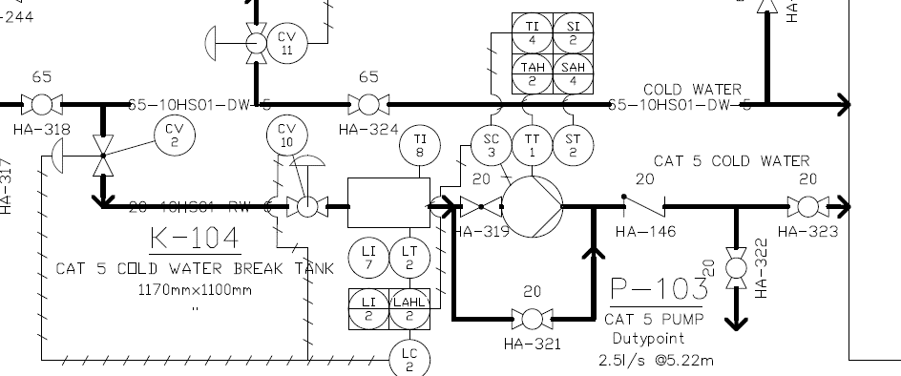

NOTES
1.
2.
3.
4.
5.

P104
James Fisher Nuclear Limited
Unit 14, Bridge End Industrial Estate, Egremont, Cumbria, CA22 2RD |  |  |  |  | EXXXXX |  |  | Sheet 1 of 1
Pump and Line Calculation Sheet |  |  |  |  | REV | DATE | BY | APVD | DATE | BY | APVD
 |  |  |  |  | A | 2019-09-26 | B MULLINER

Document Number:

Mechanical Piped Services
Equipment Label | P104 |  |  |  | Equipment Name |  |  | CWBS
Section | Plant Room
Process Service | Cold Water
Fluid | Water |  |  |  | Density |  |  | 999.377 | kg/m3
Operating Temperature | Normal | 13 | °C |  | Viscosity |  |  | 0.0012009 | Pas
 | Min | 6 | °C |  | Normal Max Flowrate |  |  | 3.17 | l/s
 | Max | 20 | °C |  | Design Max Flowrate |  |  | 3.33 | l/s
LINE PRESSURE DROP
SUCTION |  |  |  |  | DISCHARGE
Line Size |  |  | 2.5 | in | Line Size |  |  |  |  | 2.5 | in
 |  |  |  | Units |  |  |  |  |  |  | Units
Velocity |  | 1.0135255123 |  | m/s | Velocity |  |  |  | 1.0135255123 |  | m/s
Friction Loss |  | 0.24725518282 |  | kPa/m | Friction Loss |  |  |  | 0.24725518282 |  | kPa/m
Line Length |  | 1 |  | m | Line Length |  |  |  | 100 |  | m
Line & Misc. Losses |  | 23.488255183 |  | kPa | Line & Misc. Losses |  |  |  | 247.25518282 |  | kPa

Static Head |  | 0 |  | m | Static Head |  |  |  | 8 |  | m
 |  | 0 |  | kPa |  |  |  |  | 78.43110696 |  | kPa
Upstream Equipment Pressure |  | 600 |  | kPa | Equipment Pressure |  |  |  | 600 |  | kPa
Sub-Total |  | 600 |  | kPa | Sub-Total |  |  |  | 678.43110696 |  | kPa

Suction Pressure |  | 576.51174482 |  | kPa | Discharge Pressure |  |  |  | 925.68628978 |  | kPa
Vapor Pressure |  | 1.497 |  | kPa | Suction Pressure |  |  |  | 576.51174482 |  | kPa
NPSHA |  | 575.01474482 |  | kPa | Differential Pressure |  |  |  | 349.17454497 |  | kPa
 |  | 58.651702581 |  | m | Pump Head |  |  |  | 35.615924191 |  | m
PUMP DATA
Manufacturer |  | Dutypoint |  |  | Driver Type |  |  |  | Three-Phase Electrical
Catalogue No. |  | VT2-10-022T |  |  | Power Supply |  |  |  | 400 |  | V
Max Pump Flow Rate |  | 4.50 |  | l/s | Seal Type |  |  |  | Gaskets
Differential Pressure |  | 349.17454497 |  | kPa | Hydraulic Power |  |  |  | 1.9971 |  | kW
 |  | 35.615924191 |  | m | Rated Power |  |  |  | 2.2 |  | kW
NPSHR |  | 3 |  | m | Efficiency |  |  |  | 68 |  | %
Pump Type |  | Cold Water Booster Set |  |  | Casing Design Pressure |  |  |  | 10 |  | bar
No. of Stages |  | Twin |  |  | Casing Design Temperature |  |  |  | 40 |  | °C
Impeller Type |  | Closed |  |  | Casing Material |  |  |  | 304SS
Mounting |  | Vertical
SKETCH
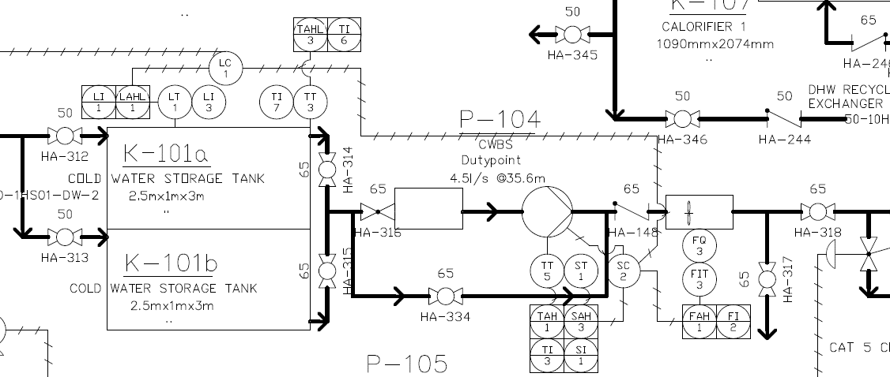

NOTES
1.
2.
3.
4.
5.

P105
James Fisher Nuclear Limited
Unit 14, Bridge End Industrial Estate, Egremont, Cumbria, CA22 2RD |  |  |  |  | EXXXXX |  |  | Sheet 1 of 1
Pump and Line Calculation Sheet |  |  |  |  | REV | DATE | BY | APVD | DATE | BY | APVD
 |  |  |  |  | A | 2019-09-26 | B MULLINER

Document Number:

Mechanical Piped Services
Equipment Label | P105 |  |  |  | Equipment Name |  |  | Grey Water Pump
Section | Plant Room
Process Service | Grey Water Supply
Fluid | Water |  |  |  | Density |  |  | 999.377 | kg/m3
Operating Temperature | Normal | 13 | °C |  | Viscosity |  |  | 0.0012009 | Pas
 | Min | 6 | °C |  | Normal Max Flowrate |  |  | 1.50 | l/s
 | Max | 20 | °C |  | Design Max Flowrate |  |  | 1.58 | l/s
LINE PRESSURE DROP
SUCTION |  |  |  |  | DISCHARGE
Line Size |  |  | 2 | in | Line Size |  |  |  |  | 2 | in
 |  |  |  | Units |  |  |  |  |  |  | Units
Velocity |  | 0.74007196552 |  | m/s | Velocity |  |  |  | 0.74007196552 |  | m/s
Friction Loss |  | 0.1844340878 |  | kPa/m | Friction Loss |  |  |  | 0.1844340878 |  | kPa/m
Line Length |  | 1 |  | m | Line Length |  |  |  | 100 |  | m
Line & Misc. Losses |  | 0.8702340878 |  | kPa | Line & Misc. Losses |  |  |  | 184.4340878 |  | kPa

Static Head |  | 0 |  | m | Static Head |  |  |  | 8 |  | m
 |  | 0 |  | kPa |  |  |  |  | 78.43110696 |  | kPa
Upstream Equipment Pressure |  | 600 |  | kPa | Equipment Pressure |  |  |  | 600 |  | kPa
Sub-Total |  | 600 |  | kPa | Sub-Total |  |  |  | 678.43110696 |  | kPa

Suction Pressure |  | 599.12976591 |  | kPa | Discharge Pressure |  |  |  | 862.86519476 |  | kPa
Vapor Pressure |  | 1.497 |  | kPa | Suction Pressure |  |  |  | 599.12976591 |  | kPa
NPSHA |  | 597.63276591 |  | kPa | Differential Pressure |  |  |  | 263.73542885 |  | kPa
 |  | 60.958748545 |  | m | Pump Head |  |  |  | 26.901104837 |  | m
PUMP DATA
Manufacturer |  | Dutypoint |  |  | Driver Type |  |  |  | Three-Phase Electrical
Catalogue No. |  | VR2-0511-LHM |  |  | Power Supply |  |  |  | 230 |  | V
Max Pump Flow Rate |  | 2.50 |  | l/s | Seal Type |  |  |  | Gaskets
Differential Pressure |  | 263.73542885 |  | kPa | Hydraulic Power |  |  |  | 0.945 |  | kW
 |  | 26.901104837 |  | m | Rated Power |  |  |  | 1.5 |  | kW
NPSHR |  | 1.75 |  | m | Efficiency |  |  |  | 70 |  | %
Pump Type |  | Cold Water Booster Set |  |  | Casing Design Pressure |  |  |  | 10 |  | bar
No. of Stages |  | Twin |  |  | Casing Design Temperature |  |  |  | 40 |  | °C
Impeller Type |  | Closed |  |  | Casing Material |  |  |  | 304SS
Mounting |  | Vertical
SKETCH
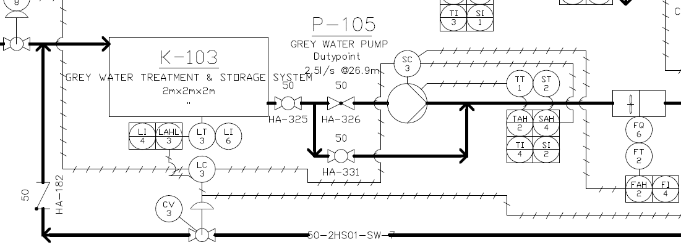

NOTES
1.
2.
3.
4.
5.

